TestSummary
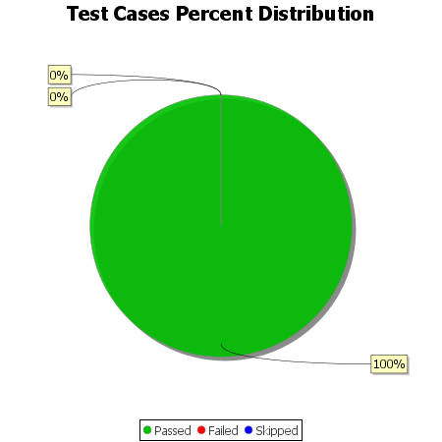
Total Test Cases | 5
Test Cases Passed | 5
Test Cases Failed | 0
Test Cases Skipped | 0

